Titanic Dashboard



TITANIC | Average Survival Rate |  | SLICERS
DASHBOARD | 38.38%

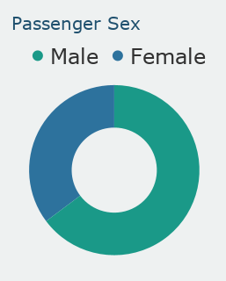
Passenger Age Group by Sex
 | Female | Male
Survival by Sex and Passenger Class
 | Female | Male

Please note that the alignment or positioning of the charts may vary depending on the zoom level or display settings of the browser being used

Passenger Class
Passengers with Family vs. Alone
Passenger Survival Rate by Family Size Aboard
 | Death | Survival

 |  | Submitted by:
 |  | Dela Cruz, Aaronne Christian E.

 |  | Section:
 |  | 3BSIT-2

Pivot Table 2
Passenger Class

